Hoja1
26th TOSSA DE MAR CLASSIC AIRCOOLED VOLKSWAGEN MEETING 2019
NAME AND SURNAME: |  |  |  |  |  |  |  |  | Passport Number
ADRESS: |  |  |  |  |  |  |  |  | COUNTRY:
CITY: |  |  |  | POSTAL CODE: |  |  |  |  | PROVINCE:
PHONE NUM. |  |  |  | MOBIL PHONE:
E-MAIL: |  |  |  | CLUB:
LICENSE PLT. |  | MANUFACTURING YEAR: |  | MODEL: |  |  |  |  | TYPE:

ATTENTION: If you want to share a bungalow with the occupants of one or more vehicles that will want to sign up to the meeting, you must put in the registration form of the first vehicle the total of people signing up (as long as the total does not exceed the capacity of the accommodation selected: 2, 4, 6 or 8 pax, in this case the rest of people should be included in a second registration form) and then you must fill out a registration form for each vehicle, ONLY with additional vehicle data and its owners and pay registration fees of each vehicle (20,00 €) separately.

DAYS TO PARTICIPATION: |  |  | Sunday only | Saturday and Sunday |  | Friday, Saturday and Sunday |  |  |  | PARTICIPANT NUMBER
(mark with an X) |  |  |  |  |  |  |  |  | 0

NUMBER OF PERSONS: |  |  | Adults | Children (5-11 years) |  | Children (2 - 4 years)
(indicate the NUMBER of persons)

 |  |  | OPTION A) | OPTION B) |  | OPRTION C)
TYPE OF ACCOMMODATION: |  |  | With Acommodation (Bungalow) With Meals | Wihtout acommodation with meals |  | Without accommodation & without meals
(mark with an X) |  |  |  |  |  |  |  |  |  |  | (To be completed by the organization)

 | OPTION A) ACCOMMODATION WITH MEALS |  | Friday, Saturday and Sunday | AMOUNT |  |  | Saturday and Sunday | AMOUNT |  |  | TOTAL |  | 0
 | PRICE FOR PERSON
 | * INCLUDES |  | 1. |  |  |  | 2.

 | Bungalow (2 - 4 people) Adults |  | 95.00 € | x | 0 |  | 85.00 € | x | 0 |  | 0.00 €
 | Bungalow (5 - 8 people) Adults |  | 85.00 € | x | 0 |  | 75.00 € | x | 0 |  | 0.00 €
 | Bungalow Children 5 / 11 years |  | 45.00 € | x | 0 |  | 40.00 € | x | 0 |  | 0.00 €
 | Bungalow Children 2 / 4 years |  | 32.00 € | x | 0 |  | 30.00 € | x | 0 |  | 0.00 €
 |  |  |  |  |  |  |  |  |  |  |  |  | .
 | Inscription's Car |  | 20.00 € |  |  |  |  | x | 1 | = | 0.00 €
 |  |  |  |  |  |  |  | TOTAL |  |  | 0.00 €
 | AVWC PARTNER: 10,00 € discount for car (mark with an X) |  |  |  |  |  |  |  |  | = | 0.00 €
 |  |  |  |  |  |  |  | TOTAL |  |  | 0.00 €

 | OPTION B) WITHOUT ACCOMMODATION WITH MEALS |  | Saturday and Sunday | AMOUNT |  |  | Sunday only | AMOUNT |  |  | TOTAL
 | PRICE FOR PERSON
 | * INCLUDES |  | 3. |  |  |  | 4.
 | Without Accommodation Adults |  | 50.00 € | x | 0 |  | 15.00 € | X | 0 | = | 0.00 €
 | Without Accommodation Children 5 / 11 years |  | 36.00 € | x | 0 |  | 10.00 € | X | 0 | = | 0.00 €
 | Without Accommodation Children 0 / 4 years |  | 0.00 € | x | 0 |  | 0.00 € | X | 0 | = | 0.00 €

 | Inscription's Car |  | 20.00 € | x | 1 |  | 20.00 € | X | 1 | = | 0.00 €
 |  |  |  |  |  |  |  |  | TOTAL |  | 0.00 €

 | AVWC PARTNER: 10,00 € discount for car (mark with an X) |  |  |  |  |  |  |  |  | = | 0.00 €
 |  |  |  |  |  |  |  |  | TOTAL |  | 0.00 €

 | OPTION C) WITHOUT ACCOMMODATION NOR MEALS |  | Friday and / or Saturday and Sunday | AMOUNT |  |  | TOTAL |  | Sunday only | AMOUNT |  |  | TOTAL
 | PRICE FOR CAR
 | * INCLUDES |  | 5. |  |  |  |  |  | 6.
 | Inscription's Car |  | 30.00 € | x | 1 | = | 0.00 € |  | 20.00 € | x | 1 | = | 0.00 €

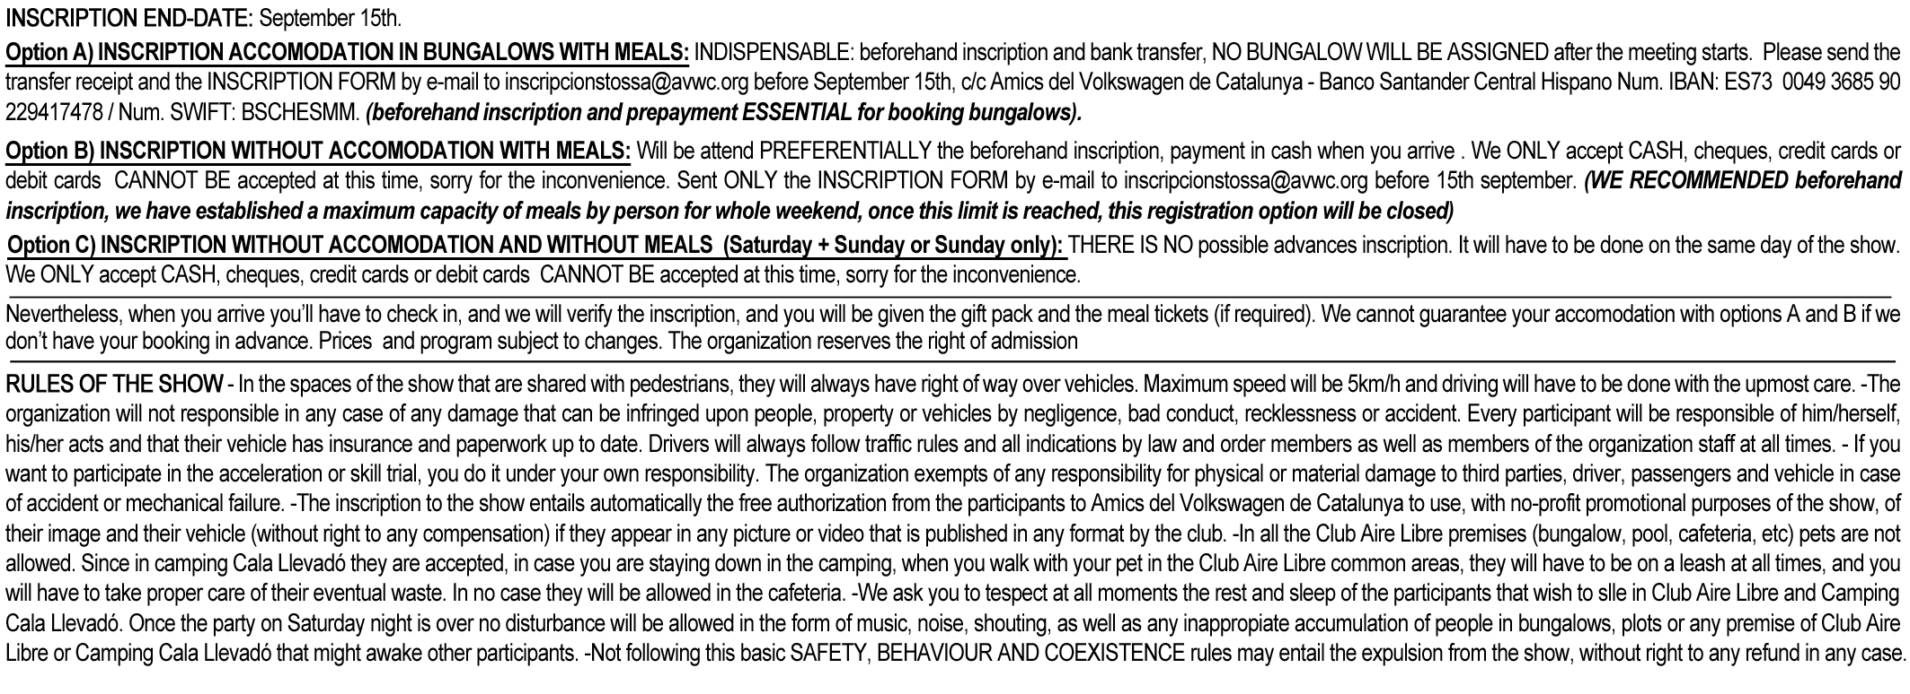

I accept the aforementioned norms and I sign here, the driver responsible of the car:
(to be signed in site if sent by e-mail) ………………………………………………………………………….

* INCLUDES: A) Option With Accommodation 1. Friday + Saturday + Sunday (meals on Friday are NOT included in the price) With meals 2. Saturday + Sunday (Beforehand inscription and prepayment ESSENTIAL) B) Option Without Accommodation: 3. Saturday + Sunday With meals 4. Sunday (WE RECOMMENDED beforehand inscription, payment in cash when you arrive) C) Option Without Accommodation 5. Saturday + Sunday / 6. Only Sunday and Without meals: (THERE IS NO possible advances inscription. It will have to be done on the same day of the show) 1/ - FRIDAY ACTIVITIES 1 / 2 / 3 / 5 - SATURDAY ACTIVITIES 1*/ - SATURDAY BREAKFAST (* Except the category Camping Without Meals) 1 / 2 - ACCOMODATION IN THE SELECTED LODGING 1*/ 2 - SUNDAY BREAKFAST (* Except the category Camping Without Meals) 1*/ 2 / 3 - SATURDAY LUNCH AND DINNER (* Except the category Camping Without Meals) 1 / 2 / 3 / 5 - DISCO, ONE DRINK, TROPHIES OF SATURDAY 1*/ 2 / 3 / 4 - SUNDAY LUNCH AT CLUB AIRE LIBRE (* Except the category Camping Without Meals) 1 / 2 / 3 / 5 - ROAD-BOOK FOR THE GINKHANA SATURDAY EVENING 1 / 2 / 3 / 4 / 5 - USE OF THE SWIMMING POOLS AND THE OTHER FACILITIES OF CLUB AIRE LIBRE 1 / 2 / 3 / 4 / 5 / 6 - SUNDAY ACTIVITIES: SLALOM & DRAG RACE 1 / 2 / 3 / 4 / 5 / 6 - TROPHIES AND RAFFLEs 1 / 2 / 3 / 4 / 5 / 6 - INSCRIPTIONS, GIFT PACK, NUMBER PLATE 1 / 2 / 3 / 4 / 5 / 6 - FAR

1 / 2 / 3 / 4 / 5 / 6 - TOSSA DE MAR CRUISE

